Declutter
DECLUTTER

 | ORIGINAL VISUAL |  | DATA TO GRAPH
 | Original graph

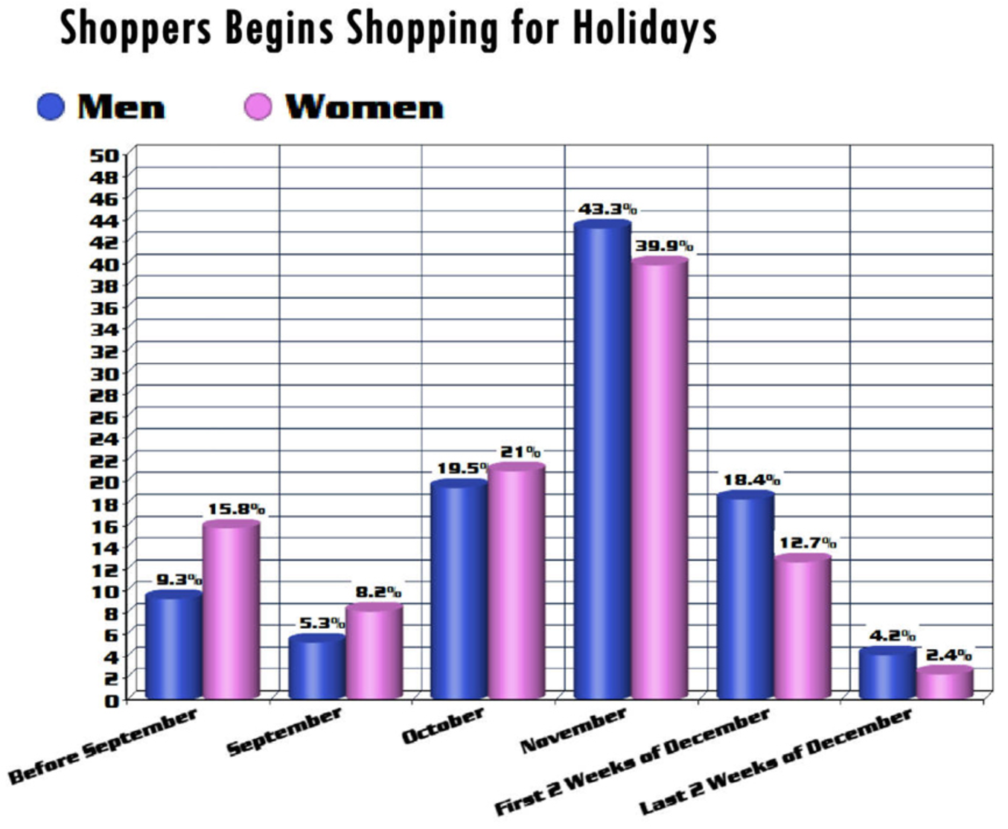
 |  |  |  |  | Men | Women
 |  |  | Before September | Before Sep | 9.3% | 15.8%
 |  |  | September | Sep | 5.3% | 8.2%
 |  |  | October | Oct | 19.5% | 21.0%
 |  |  | November | Nov | 43.3% | 39.9%
 |  |  | First 2 Weeks of December | Dec: first 2 weeks | 18.4% | 12.7%
 |  |  | Last 2 Weeks of December | Dec: last 2 weeks | 4.2% | 2.4%

 |  |  |  | Total | 100.0% | 100.0%

 | REMAKE
 | Original graph

 | Shoppers Begins Shopping for Holidays

 | DECLUTTER
 | Remove vertical gridlines

 | Shoppers Begins Shopping for Holidays

 | Remove horizontal gridlines

 | Shoppers Begins Shopping for Holidays

 | Never use 3D!

 | Shoppers Begins Shopping for Holidays

 | Remove color effect (bevel)

 | Shoppers Begins Shopping for Holidays

 | Omit y-axis since points are labeled directly

 | Shoppers Begins Shopping for Holidays

 | Pull data labels into the ends of the bars

 | Shoppers Begins Shopping for Holidays

 | Make x-axis text horizontal

 | Shoppers Begins Shopping for Holidays

 | Push x-axis to background, remove tick marks

 | Shoppers Begins Shopping for Holidays

 | Change that awful font!

 | Shoppers Begins Shopping for Holidays

 | Remove unnecessary "s" from "Begins"

 | Shoppers Begin Shopping for Holidays

 | Decrease legend size, position at top left

 | Shoppers Begin Shopping for Holidays

 | Make legend text same color as data

 | Shoppers Begin Shopping for Holidays

 | Data labels: round to whole #s, make white

 | Shoppers Begin Shopping for Holidays

 | Add words: axis titles, takeaway

 | More women start their holiday shopping early

 | % OF TOTAL

 | WHEN DO YOU START YOUR HOLIDAY SHOPPING?

 | Color: tie takeaway to where to look in data

 | More women start their holiday shopping early

 | % OF TOTAL

 | WHEN DO YOU START YOUR HOLIDAY SHOPPING?

 | Still not perfect, but much improved!

 | More women start their holiday shopping early

 | % OF TOTAL

 | WHEN DO YOU START YOUR HOLIDAY SHOPPING?

 | Before & after

 | Shoppers Begins Shopping for Holidays | More women start their holiday shopping early

 |  | % OF TOTAL

 |  | WHEN DO YOU START YOUR HOLIDAY SHOPPING?

